Exterior Section
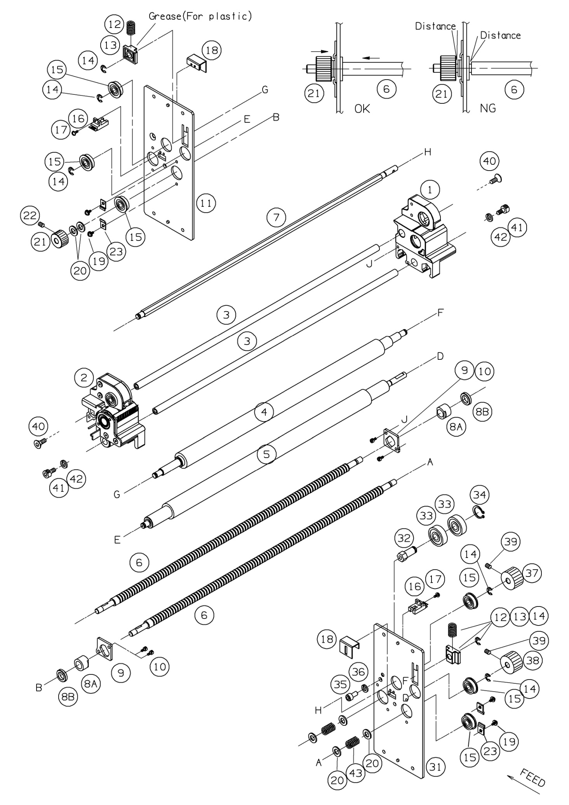
 | Ref. No | Pars No. | Parts name | 適用 | 適用 | Remarks
 |  |  |  | Region | 規格
FALSE | 101 | 260509 | Right side cover |  |  | 260507 2pieces
FALSE | 101 | 260503 | Right side cover |  |  | 260507 2pieces
TRUE | 102 | 260101 | Right side plate
TRUE | 102 | 260801 | Right side plate
TRUE | 103 | 260510 | Left side cover |  |  | 260507 2pieces
TRUE | 104 | 260102 | Left side plate
FALSE | 104 | 260802 | Left side plate
TRUE | 105 | 0260-5518 | 8343 operation identification plate
FALSE | 106A | 260624 | Operation panel A'ssy |  |  | 106,107,116-118
TRUE | 106
FALSE | 106 | 260541 | Operation board mounitng plate |  |  | 260512 8pieces
FALSE | 107 | 260701 | Operation board
FALSE | 109 | 0260-5516 | 8343 identification plate
FALSE | 109 | 0260-8450 | 8330 identification plate
TRUE | 110 | 260511 | Start identification plate
FALSE | 111 | 260518-2 | Main board cover
FALSE | 112 | 260718 | Control board
FALSE | 113 | 260750 | Harness (large) between
FALSE | 114 | 260751 | the operationand control boards
TRUE | 114
FALSE | 116 | 260513-1 | Start key top (orange)
FALSE | 117 | 260513-2 | Start key top (green)
FALSE | 118 | 260514 | Setting eky top
FALSE | 119 | 260518 | Right side cover |  |  | 260507 2pieces
FALSE | 119 | 0260-8470 | 8330 operation identification plate
TRUE | 121A | 260625 | Operation panel A'ssy |  |  | 116-118, 121, 122, 128
FALSE | 121 | 260901 | PF22･23KEY board
FALSE | 122 | 260809 | Board support |  |  | 260512 4pieces
FALSE | 124 | 260543 | Left side cover identification plate

Paper Feed Table Section
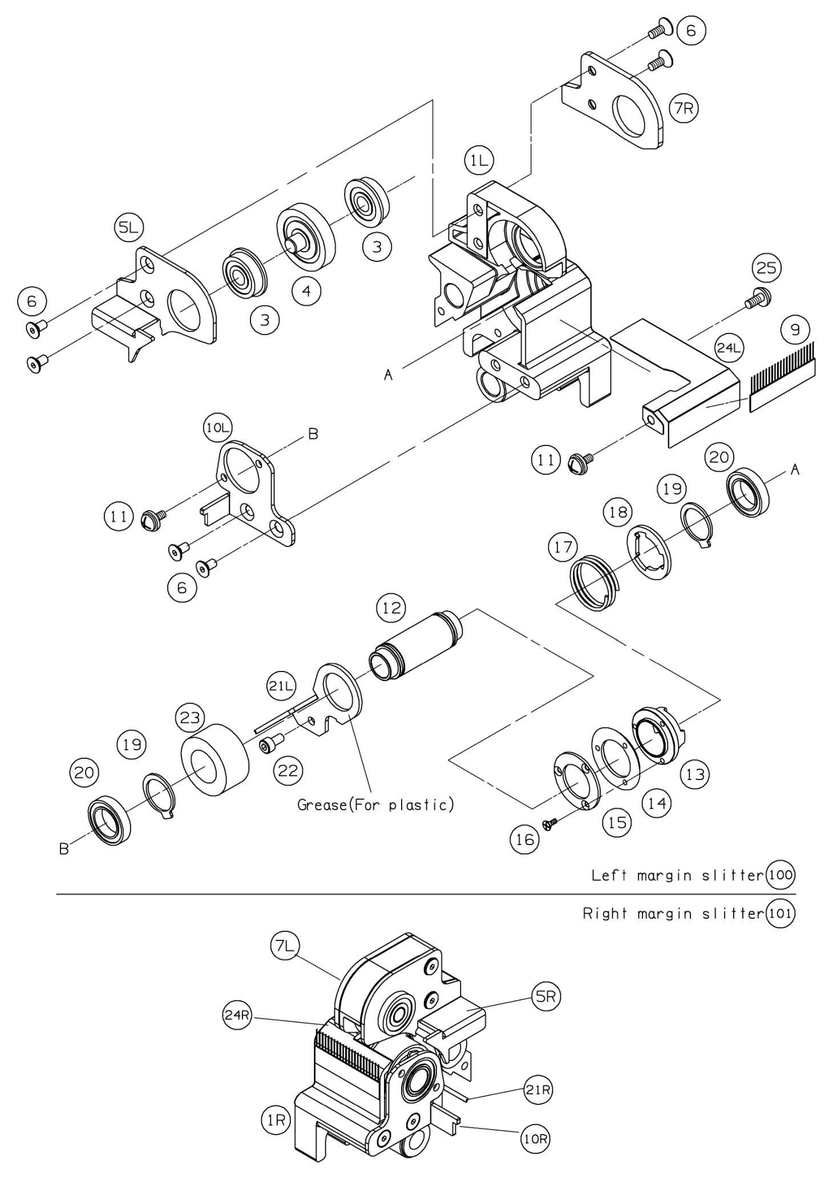
 | Ref. No | Pars No. | Parts name | 適用 | 適用 | Remarks
 |  |  |  | Region | 規格
FALSE | 301 | 260501 | Safety cover
FALSE | 302 | 260241 | Lower paper guide A'ssy
0 | 302 | 260236 | Lower paper guide A'ssy
TRUE | 303 | 260244 | Upper paper A'ssy
FALSE | 304 | 260247 | Paper feed photo cover
FALSE | 305 | 260301 | Photo sensor mounting tray
FALSE | 306 | 20222 | Guide mounting angle A
TRUE | 307 | 260127 | Static eliminator bar
FALSE | 309A | 260237 | Separator shaft A'ssy |  |  | 309-313
TRUE | 309 | 260237 | Separator shaft
FALSE | 310 | 20039 | Separator holder
FALSE | 311 | 70106 | Separator spacer
FALSE | 312 | 70105 | Separator holder
FALSE | 313 | 70604 | Paper separator
FALSE | 314A | 260628 | Auxiliary table A'ssy |  |  | 314,315,322
FALSE | 314 | 260226 | Auxiliary table
FALSE | 315 | 260261 | Slant adjustment plate
FALSE | 316 | 20105 | Rubber magnet
FALSE | 317A | 20843 | Auxiliary paper guide A'ssy |  |  | 316,317,319,321
FALSE | 317 | 20103 | Auxiliary paper guide (R)
FALSE | 318A | 20844 | Auxiliary paper guide (L) A'ssy |  |  | 316,318,320,321
FALSE | 318 | 20104 | Auxiliary paper guide (L)
FALSE | 319 | 20203 | Paper holder lever (R) A'ssy
FALSE | 320 | 20204 | Paper holder lever (L) A'ssy
FALSE | 321 | 20034 | F roller holder
FALSE | 322 | 260257 | A3 scale
FALSE | 323 | 260220 | Paper feed table shaft
FALSE |  | 20069 | Paper feed table shaft

